Distribution across genome
 | No of CpGs | No of >=1% mutated CpGs | CpGs mutated 1% or more
SL5 loop | 11 | 3 | 27.3
NSP1 | 28 | 0 | 0.0
NSP2 | 32 | 1 | 3.1
NSP3 | 58 | 3 | 5.2
NSP4 | 14 | 0 | 0.0
NSP5 | 9 | 0 | 0.0
NSP6 | 3 | 0 | 0.0
NSP7 | 0 | 0 | 0.0
NSP8 | 3 | 0 | 0.0
NSP9 | 5 | 0 | 0.0
NSP10 | 7 | 0 | 0.0
NSP11 | 3 | 0 | 0.0
NSP12 | 51 | 3 | 5.9
NSP13 | 24 | 0 | 0.0
NSP14 | 20 | 3 | 15.0
NSP15 | 9 | 0 | 0.0
NSP16 | 12 | 3 | 25.0
S | 29 | 1 | 3.4
ORF3 | 17 | 0 | 0.0
E | 11 | 0 | 0.0
M | 20 | 0 | 0.0
ORF6 | 1 | 1 | 100.0
ORF7a | 7 | 0 | 0.0
ORF7b | 1 | 0 | 0.0
ORF8 | 8 | 0 | 0.0
N | 39 | 1 | 2.6
ORF9a | 16 | 0 | 0.0
ORF9b | 7 | 1 | 14.3
ORF10 | 5 | 0 | 0.0
SL-1 | 5 | 5 | 100.0

Distribution in % across genome
Distribution of CpG sites and mutations across the genome
 | Actual Numbers |  |  | Percentage distribution
 |  | No of CpGs | No of >=1% mutated CpGs | CpG distribution across genome | Distribution of 1% Cut off CpG mutations
 | SL5 loop | 11 | 3 | 2.4 | 12
 | NSP1 | 28 | 0 | 6.2 | 0
 | NSP2 | 32 | 1 | 7.0 | 4
 | NSP3 | 58 | 3 | 12.7 | 12
 | NSP4 | 14 | 0 | 3.1 | 0
 | NSP5 | 9 | 0 | 2.0 | 0
 | NSP6 | 3 | 0 | 0.7 | 0
 | NSP7 | 0 | 0 | 0.0 | 0
 | NSP8 | 3 | 0 | 0.7 | 0
 | NSP9 | 5 | 0 | 1.1 | 0
 | NSP10 | 7 | 0 | 1.5 | 0
 | NSP11 | 3 | 0 | 0.7 | 0
 | NSP12 | 51 | 3 | 11.2 | 12
 | NSP13 | 24 | 0 | 5.3 | 0
 | NSP14 | 20 | 3 | 4.4 | 12
 | NSP15 | 9 | 0 | 2.0 | 0
 | NSP16 | 12 | 3 | 2.6 | 12
 | S | 29 | 1 | 6.4 | 4
 | ORF3 | 17 | 0 | 3.7 | 0
 | E | 11 | 0 | 2.4 | 0
 | M | 20 | 0 | 4.4 | 0
 | ORF6 | 1 | 1 | 0.2 | 4
 | ORF7a | 7 | 0 | 1.5 | 0
 | ORF7b | 1 | 0 | 0.2 | 0
 | ORF8 | 8 | 0 | 1.8 | 0
 | N | 39 | 1 | 8.6 | 4
 | ORF9a | 16 | 0 | 3.5 | 0
 | ORF9b | 7 | 1 | 1.5 | 4
 | ORF10 | 5 | 0 | 1.1 | 0
 | SL-1 | 5 | 5 | 1.1 | 20
SUM |  | 455 | 25

% Median
Median | 0.071928775977 | 0.14389300231 | 0.15140847817 | 0.11570996786 | 0.2904093311 | 0.39066294296 | 0 | 0.15264924069 | 0.095290561768 | 0.11691528003 | 0.001063510734 | 0.045305557269 | 0.041335117195 | 0.04803523482 | 0.123154543 | 0.18423550949 | 0.078983397179 | 0.10557116553 | 0.034741350644 | 0.058244937866 | 1.0405389022 | 0.58812143591 | 0.54253227578 | 0.13751193791 | 0.074800254959 | 0.050516759866 | 0.084230050134 | 0.064803254059
 | NSP1 | NSP2 | NSP3 | NSP4 | NSP5 | NSP6 | NSP7 | NSP8 | NSP9 | NSP10 | NSP11 | NSP12 | NSP13 | NSP14 | NSP15 | NSP16 | S | ORF3 | E | M | ORF6 | ORF7a | ORF7b | ORF8 | N | ORF9a | ORF9b | ORF10
1 | 0.30714189998 | 0.13960350902 | 0.038569989287 | 0.081464922225 | 0.30026453057 | 0.39066294296 |  | 0.15264924069 | 0.012903930239 | 0.24148783734 | 0.12911020311 | 0.12911020311 | 0.029352896259 | 0.018788689634 | 0.024106243304 | 0.092950838153 | 0.066788474096 | 0.080968617216 | 0.23191624073 | 0.038499088571 | 1.0405389022 | 0.11322844281 | 0.54253227578 | 0.51878053605 | 0.047574380168 | 0.047574380168 | 0.36549318892 | 0.035521258516
2 | 0.071680623473 | 0.74360670522 | 0.14236863693 | 0.23446866649 | 0.4635488786 | 0.67958335903 |  | 0.01354203668 | 0.095290561768 | 0.01885959035 | 0.001063510734 | 0.001063510734 | 0.12847209667 | 0.056153366756 | 0.4149109877 | 0.22447166559 | 0.69893925439 | 0.10557116553 | 0.075863765693 | 0.075083857821 |  | 0.86683214894 |  | 0.57358678921 | 0.28757330248 | 0.28757330248 | 0.087136979474 | 0.064803254059
3 | 0.42852392509 | 0.38442367999 | 0.13648387753 | 0.12124022368 | 0.10415315122 | 0.067993786261 |  | 0.35251835797 | 0.09848109397 | 0.0012053121652 | 0.00085080858721 | 0.00085080858721 | 0.3190532202 | 0.001418014312 | 0.17682638471 | 0.043320337232 | 0.71751524188 | 0.26594858422 | 0.0076572772849 | 0.080330510776 |  | 0.75452541543 |  | 0.14605547414 | 0.27020262716 | 0.27020262716 | 0.084230050134 | 0.24389846167
4 | 0.26736659853 | 48.901783366 | 0.17661368256 | 0.13804369327 | 0.027154974075 |  |  |  | 0.1150009607 | 0.10259333547 |  | 0.014038341689 | 0.11230673351 | 0.01949769679 | 0.39427887946 | 0.24985412178 | 0.21681438831 | 0.079479702189 | 0.0040413407893 | 0.093376242446 |  | 0.61875054505 |  | 0.10401134979 | 0.11117232206 | 0.11117232206 | 0.057429579637 | 0.048070685177
5 | 0.072176928482 | 0.074020347087 | 0.44440568539 | 0.10060811544 | 0.2904093311 |  |  |  | 0.0039704400737 | 0.11691528003 |  | 0.027013172644 | 0.88817326433 | 0.058422189655 | 0.089476703088 | 0.077919886445 | 0.065583161931 | 0.49382348416 | 0.28601348673 | 0.23957351802 |  | 0.54799163088 |  | 0.11457555641 | 0.53147176414 | 0.53147176414 | 0.01595266101 | 0.21830330334
6 | 0.37846801988 | 0.02417714402 | 0.21475826756 | 0.015881760295 | 0.072176928482 |  |  |  |  | 0.16512776663 |  | 0.038073684278 | 0.09975730685 | 0.036868372112 | 0.086782475896 | 0.14399935339 | 0.10266423619 | 0.071326119895 | 0.02127021468 | 0.018788689634 |  | 0.58812143591 |  | 0.11741158504 | 0.012549426661 | 0.012549426661 | 0.049843203067
7 | 0.017016171744 | 0.002836028624 | 0.32919202254 | 0.0056011565325 | 0.0086498873033 |  |  |  |  | 0.1440702541 |  | 0.023468136864 | 0.037790081415 | 0.078628893601 | 0.058563991086 | 0.059202097527 | 0.42044124351 | 0.099331902557 | 0.016307164588 | 0.083379241547 |  | 0.30813451 |  | 0.12896840168 | 0.074800254959 | 0.074800254959 | 1.6786453426
8 | 0.036088464241 | 0.013045731671 | 0.24070792947 | 0.17200513605 | 0.68802054419 |  |  |  |  |  |  | 0.065654062646 | 0.0093588944593 | 0.14073792047 | 0.13676748039 | 0.14073792047 | 3.3524694365 | 0.15591067361 | 0.034741350644 | 0.041406017911 |  |  |  | 0.24262224879 | 0.053459139563 | 0.053459139563
9 | 0.029211094828 | 0.080543212923 | 0.47014264515 | 0.95219661052 | 0.40512668894 |  |  |  |  |  |  | 0.20008181943 | 0.020844810387 | 0.023255434717 | 0.123154543 | 0.3449319814 | 0.12740858593 | 0.26346705917 | 0.05657877105 | 0.24517467455 |  |  |  |  | 0.021624718258 | 0.021624718258
10 | 0.068419190555 | 0.15300374427 | 1.0244444397 | 0.072815034922 |  |  |  |  |  |  |  | 0.084868156574 | 0.012903930239 | 0.026375066204 |  | 8.96957863 | 0.31543728371 | 0.60719372841 | 0.14563006984 | 0.2017834366 |  |  |  |  | 0.13464045893 | 0.13464045893
11 | 0.022475526845 | 0.50793272657 | 0.023184534002 | 0.24765619959 |  |  |  |  |  |  |  | 0.010351504478 | 0.10833629344 | 0.29877561554 |  | 5.6595078214 | 0.35762320949 | 0.061329118995 | 0.015669058148 | 0.25829130693 |  |  |  |  | 0.022617328277 | 0.022617328277
12 | 0.072885935638 | 0.27743450015 | 0.056436969618 | 0.026729569782 |  |  |  |  |  |  |  | 0.04658177015 | 0.0065937665509 | 0.15066402065 |  | 1.5203240446 | 0.19710398937 | 0.091958228134 |  | 0.027934881947 |  |  |  |  | 0.19646588293 | 0.19646588293
13 | 0.019781299653 | 0.16214993658 | 0.093872547456 | 0.11017971204 |  |  |  |  |  |  |  | 0.045305557269 | 0.021624718258 | 0.033110634186 |  |  | 0.57947154861 | 0.40966433474 |  | 0.019426796075 |  |  |  |  | 0.0038995393581 | 0.0038995393581
14 | 0.056791473196 | 0.18079682478 | 0.099828207566 | 0.2626871513 |  |  |  |  |  |  |  | 0.10301873977 | 0.11882959935 | 0.022333725414 |  |  | 0.003190532202 | 0.090398412391 |  | 0.0038995393581 |  |  |  |  | 0.01354203668 | 0.01354203668
15 | 0.090752915969 | 0.048425188755 | 0.43660660667 |  |  |  |  |  |  |  |  | 0.044100245104 | 0.17923700904 | 0.039917102883 |  |  | 0.0041831422205 | 0.18200213695 |  | 0.027225874791 |  |  |  |  | 0.012053121652 | 0.012053121652
16 | 0.015385455285 | 0.03367783991 | 0.16987811458 |  |  |  |  |  |  |  |  | 0.080472312207 | 0.044880152975 | 0.076501872133 |  |  | 0.0079408801473 | 0.15342914856 |  | 0.0048212486609 |  |  |  |  | 0.026800470497 | 0.026800470497
17 | 0.088342291639 | 0.05608246604 | 0.12797579166 |  |  |  |  |  |  |  |  | 0.014463745983 | 0.0095715966061 | 0.026516867635 |  |  | 0.078983397179 | 0.099970008997 |  | 0.14109242405 |  |  |  |  | 0.52665051548
18 | 0.031550818442 | 0.32274005742 | 0.24347305737 |  |  |  |  |  |  |  |  | 0.0082953837253 | 0.93213170801 | 2.0919256138 |  |  | 0.0097133980373 |  |  | 0.13102452243 |  |  |  |  | 0.0001418014312
19 | 0.069979006298 | 0.49403618631 | 0.071042517032 |  |  |  |  |  |  |  |  | 0.017016171744 | 0.071113417748 | 1.9596957792 |  |  | 0.046227266572 |  |  | 0.010776908771 |  |  |  |  | 0.36549318892
20 | 0.094156150318 | 0.096992178942 | 0.50467129365 |  |  |  |  |  |  |  |  | 0.1140792514 | 0.014038341689 | 3.3891960072 |  |  | 0.0077281780005 |  |  | 0.0014889150276 |  |  |  |  | 0.087136979474
21 | 0.088554993786 | 0.01531455457 | 1.7043823023 |  |  |  |  |  |  |  |  | 0.24141693662 | 0.40739551184 |  |  |  | 0.059911104683 |  |  |  |  |  |  |  | 0.084230050134
22 | 0.085506263015 | 0.19745849295 | 0.30664559497 |  |  |  |  |  |  |  |  | 0.054026345288 | 0.022475526845 |  |  |  | 0.22716589279 |  |  |  |  |  |  |  | 0.057429579637
23 | 0.081961227235 | 0.14818249561 | 0.046794472297 |  |  |  |  |  |  |  |  | 0.031692619874 | 0.035095854222 |  |  |  | 0.13052821742 |  |  |  |  |  |  |  | 0.01595266101
24 | 0.081464922225 | 0.077494482152 | 0.35216385439 |  |  |  |  |  |  |  |  | 0.11003791061 | 0.0024106243304 |  |  |  | 0.052253827398 |  |  |  |  |  |  |  | 0.049843203067
25 | 0.073949446372 | 0.20440676308 | 0.75948846552 |  |  |  |  |  |  |  |  | 0.0087916887345 |  |  |  |  | 0.036159364956 |  |  |  |  |  |  |  | 1.6786453426
26 | 0.0051757522389 | 0.2531155547 | 0.072673233491 |  |  |  |  |  |  |  |  | 0.088200490208 |  |  |  |  | 0.049346898058 |  |  |  |  |  |  |  | 0.017937881047
27 | 0.011344114496 | 0.16548227021 | 0.025382456185 |  |  |  |  |  |  |  |  | 48.934114092 |  |  |  |  | 0.040058904315 |  |  |  |  |  |  |  | 0.0060265608261
28 | 0.068915495564 | 0.1018134276 | 0.24248044736 |  |  |  |  |  |  |  |  | 0.3367783991 |  |  |  |  | 0.07607646784 |  |  |  |  |  |  |  | 0.82308640741
29 |  | 0.085222660152 | 0.1604483194 |  |  |  |  |  |  |  |  | 0.30154074345 |  |  |  |  | 0.1349949625 |  |  |  |  |  |  |  | 0.0021979221836
30 |  | 0.31777700732 | 0.098622895401 |  |  |  |  |  |  |  |  | 0.03240162703 |  |  |  |  |  |  |  |  |  |  |  |  | 0.57826623644
31 |  | 0.11308664138 | 0.043958443673 |  |  |  |  |  |  |  |  | 0.035521258516 |  |  |  |  |  |  |  |  |  |  |  |  | 0.043249436517
32 |  | 0.087562383767 | 0.24659268886 |  |  |  |  |  |  |  |  | 0.20866080601 |  |  |  |  |  |  |  |  |  |  |  |  | 0.068064686977
33 |  |  | 0.073878545656 |  |  |  |  |  |  |  |  | 0.019143193212 |  |  |  |  |  |  |  |  |  |  |  |  | 0.11599357072
34 |  |  | 0.072035127051 |  |  |  |  |  |  |  |  | 0.0072318729913 |  |  |  |  |  |  |  |  |  |  |  |  | 0.50204796717
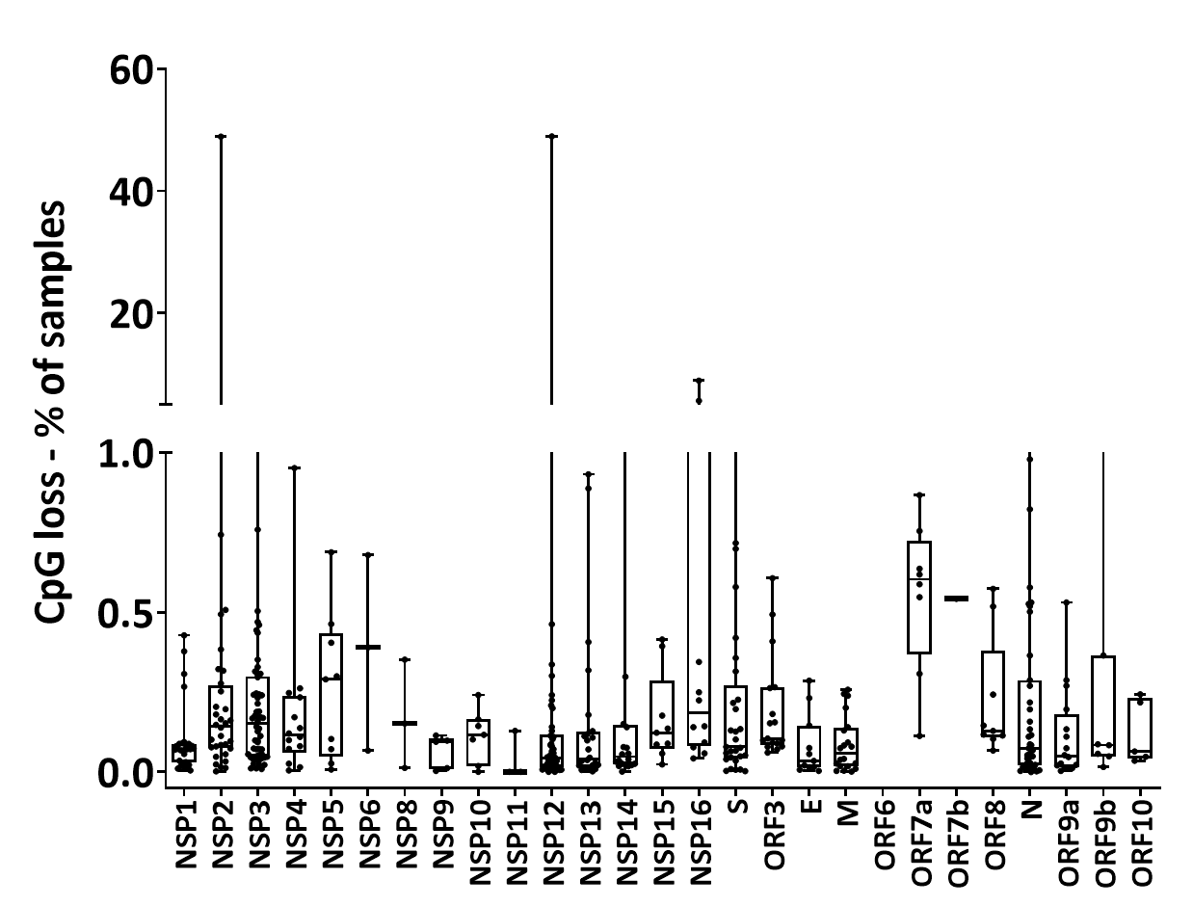
35 |  |  | 0.045943663709 |  |  |  |  |  |  |  |  | 0.039349897159 |  |  |  |  |  |  |  |  |  |  |  |  | 0.029707399837
36 |  |  | 0.17335224964 |  |  |  |  |  |  |  |  | 0.071964226335 |  |  |  |  |  |  |  |  |  |  |  |  | 0.51934774178
37 |  |  | 0.29749940266 |  |  |  |  |  |  |  |  | 0.0066646672665 |  |  |  |  |  |  |  |  |  |  |  |  | 0.21809060119
38 |  |  | 0.19036842139 |  |  |  |  |  |  |  |  | 0.22482616917 |  |  |  |  |  |  |  |  |  |  |  |  | 0.15846309937
39 |  |  | 0.23276704932 |  |  |  |  |  |  |  |  | 0.0093588944593 |  |  |  |  |  |  |  |  |  |  |  |  | 0.97928068388
40 |  |  | 0.052962834554 |  |  |  |  |  |  |  |  | 2.342417842
41 |  |  | 0.16817649741 |  |  |  |  |  |  |  |  | 0.14165962977
42 |  |  | 0.46078375069 |  |  |  |  |  |  |  |  | 0.044312947251
43 |  |  | 0.18838320135 |  |  |  |  |  |  |  |  | 0.025453356901
44 |  |  | 0.31529548228 |  |  |  |  |  |  |  |  | 0.011202313065
45 |  |  | 0.17193423533 |  |  |  |  |  |  |  |  | 0.019852200368
46 |  |  | 0.30792180785 |  |  |  |  |  |  |  |  | 2.0790925843
47 |  |  | 1.3258433817 |  |  |  |  |  |  |  |  | 0.46298167287
48 |  |  | 0.037435577837 |  |  |  |  |  |  |  |  | 0.11032151348
49 |  |  | 0.048425188755 |  |  |  |  |  |  |  |  | 0.0069482701289
50 |  |  | 0.012053121652 |  |  |  |  |  |  |  |  | 0.05962750182
51 |  |  | 0.047574380168 |  |  |  |  |  |  |  |  | 0.07075891417
52 |  |  | 0.012124022368
53 |  |  | 0.11308664138
54 |  |  | 0.0099970008997
55 |  |  | 0.049772302352
56 |  |  | 0.057642281784
57 |  |  | 0.02304273257
58 |  |  | 0.03949169859

REF
Source GISAID
 |  | Notes
 |  | N has a coding frame with 420 codons including stop. ORF9a starts 10 nucleotides into the N sequence with a +1 frame new start codon- encoding a 97aa protein.
 |  | ORF9b starts at the 461st nucleotide in the N coding region and starts at a +1 frame ATG to give a 73aa protein

 |  | ORF1a CDS lies between nt at 266 to 13483 of the genome encoding a 4400aa polyprotein. When the frame shift to -1 at 13468, the protein translation continues to give a 7096aa long polyprotein (ORF1AB)
 |  | There is a 16nt frame shifted overlap between ORFab unique codons and ORF1a

 |  | ORF3- ORF3/3a encodes a 275aa CDS between positions 25393 and 26220 (ORF3a). If translation starts at an inframe downstream ATG, a 151 aa protein (ORF3b) is produced

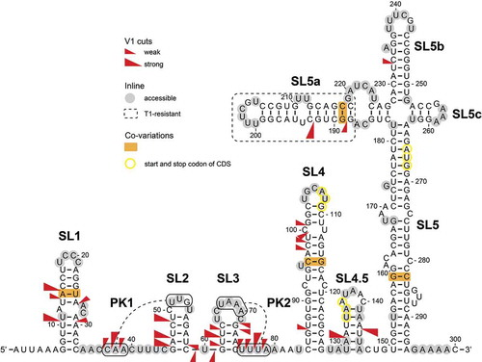

 | https://www.tandfonline.com/doi/full/10.1080/15476286.2020.1814556

